Template 3- Geographical Region
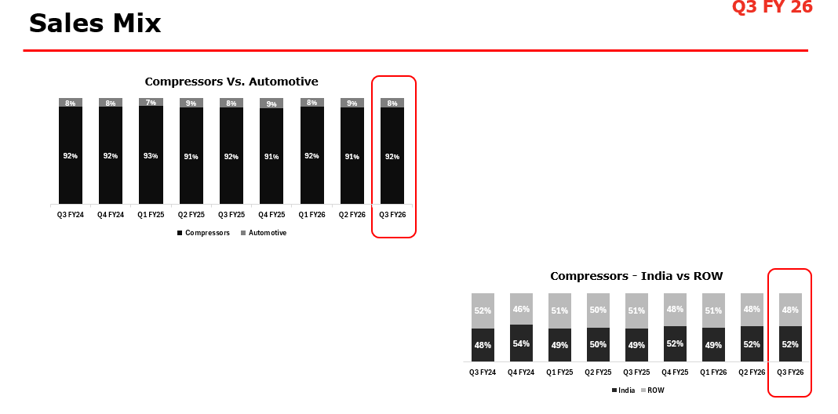
Used for Sales Mix

Level 1 | Level 2 | Level 3 | Level 4 | Level 5 | Source | Budget | PY | PM | CM
India | India | North | North | North | BIS - Organ-Areaname
India | India | South | South | South | BIS - Organ-Areaname
India | India | West | West | West | BIS - Organ-Areaname
India | India | East | East | East | BIS - Organ-Areaname
India | ATS | ATS | ATS | ATS | BIS
Rest of The World | Direct Exports | South Asia | Bangladesh | Bangladesh | BIS - Organ-Region-Areaname
Rest of The World | Direct Exports | South Asia | Bhutan | Bhutan | BIS - Organ-Region-Areaname
Rest of The World | Direct Exports | South Asia | Nepal | Nepal | BIS - Organ-Region-Areaname
Rest of The World | Direct Exports | South Asia | Sri Lanka | Sri Lanka | BIS - Organ-Region-Areaname
Rest of The World | Direct Exports | Africa | Kenya | Kenya | BIS - Organ-Region-Areaname
Rest of The World | Direct Exports | Middle East | Kuwait | Kuwait | BIS - Organ-Region-Areaname
Rest of The World | Direct Exports | Middle East | Oman | Oman | BIS - Organ-Region-Areaname
Rest of The World | Direct Exports | Middle East | Qatar | Qatar | BIS - Organ-Region-Areaname
Rest of The World | Direct Exports | Middle East | Saudi Arabia | Saudi Arabia | BIS - Organ-Region-Areaname
Rest of The World | Direct Exports | International Divisions | EUROPE | EUROPE | BIS - Organ-Region
Rest of The World | Direct Exports | International Divisions | AFRICA | AFRICA | BIS - Organ-Region
Rest of The World | Direct Exports | International Divisions | EUROPE | EUROPE | BIS - Organ-Region
Rest of The World | Direct Exports | International Divisions | SOUTH EAST ASIA | SOUTH EAST ASIA | BIS - Organ-Region
Rest of The World | Direct Exports | International Divisions | AMERICAS | AMERICAS | BIS - Organ-Region
Rest of The World | Direct Exports | International Divisions | EASTASIA | EASTASIA | BIS - Organ-Region
Rest of The World | Direct Exports | International Divisions | AMERICA | AMERICA | BIS - Organ-Region
Rest of The World | Direct Exports | International Divisions | NEIGHBOURING | NEIGHBOURING | BIS - Organ-Region
Rest of The World | Direct Exports | International Divisions | MIDDLE EAST & WEST ASIA | MIDDLE EAST & WEST ASIA | BIS - Organ-Region
Rest of The World | Direct Exports | International Divisions | CIS | CIS | BIS - Organ-Region
Rest of The World | Direct Exports | International Divisions | Others | Others | BIS - Organ-Region
Rest of The World | Sale to Subsidiaries | Sale to Subsidiaries | Sale to Subsidiaries | Sale to Subsidiaries | BIS - Organ
Rest of The World | US | Atlanta | Atlanta | Atlanta | Branch
Rest of The World | US | Birmingham | Birmingham | Birmingham | Branch
Rest of The World | US | Charlotte | Charlotte | Charlotte | Branch
Rest of The World | US | Florence | Florence | Florence | Branch
Rest of The World | US | Greenville | Greenville | Greenville | Branch
Rest of The World | US | Raleigh | Raleigh | Raleigh | Branch
Rest of The World | US | Richmond | Richmond | Richmond | Branch
Rest of The World | US | Michigan | Detroit | Detroit | Branch
Rest of The World | US | Michigan | Grand Rapids | Grand Rapids | Branch
Rest of The World | Brazil | Brazil | Brazil | Brazil
Rest of The World | Australia | Victoria | Victoria | Victoria | State
Rest of The World | Australia | New South Wales | New South Wales | New South Wales | State
Rest of The World | Australia | Queensland | Queensland | Queensland | State
Rest of The World | Europe | Europe 1 | Italy & Mediterranean | Italy | Region
Rest of The World | Europe | Europe 1 | Italy & Mediterranean | Greece | Region
Rest of The World | Europe | Europe 1 | Italy & Mediterranean | Switzerland | Region
Rest of The World | Europe | Europe 1 | Italy & Mediterranean | Turkey | Region
Rest of The World | Europe | Europe 1 | Italy & Mediterranean | Austria | Region
Rest of The World | Europe | Europe 1 | France | Algeria | Region
Rest of The World | Europe | Europe 1 | France | France | Region
Rest of The World | Europe | Europe 1 | France | Morocco | Region
Rest of The World | Europe | Europe 1 | France | New Caledonie | Region
Rest of The World | Europe | Europe 2 | IBERIA | Spain | Region
Rest of The World | Europe | Europe 2 | IBERIA | Portugal | Region
Rest of The World | Europe | Europe 2 | EASTERN EUROPE | Poland | Region
Rest of The World | Europe | Europe 2 | EASTERN EUROPE | Czech Republic | Region
Rest of The World | Europe | Europe 2 | EASTERN EUROPE | Slovakia | Region
Rest of The World | Europe | Europe 2 | EASTERN EUROPE | Hungary | Region
Rest of The World | Europe | Europe 2 | NORDICS | Denmark | Region
Rest of The World | Europe | Europe 2 | NORDICS | Sweden | Region
Rest of The World | Europe | Europe 2 | NORDICS | Finland | Region
Rest of The World | Europe | Europe 2 | NORDICS | Iceland | Region
Rest of The World | Europe | Europe 2 | NORDICS | Norway | Region
Rest of The World | Europe | Europe 2 | UK | UK | Region
Rest of The World | Europe | Europe 2 | UK | Northern Ireland | Region
Rest of The World | Europe | Europe 2 | UK | Ireland | Region
Rest of The World | Europe | Europe 2 | BENELUX | Belgium | Region
Rest of The World | Europe | Europe 2 | BENELUX | Netherlands | Region
Rest of The World | Europe | Europe 2 | BENELUX | Luxembourg | Region
Rest of The World | Europe | Europe 2 | OTHERS | Germany | Region
Rest of The World | Europe | Europe 2 | OTHERS | Scotland | Region
Rest of The World | Europe | Europe 2 | OTHERS | Regno Unito | Region
Rest of The World | Europe | Europe 2 | OTHERS | Latvia | Region
Rest of The World | Europe | Europe 2 | OTHERS | Lithuania | Region
Rest of The World | Europe | Europe 2 | OTHERS | Bulgaria | Region
Rest of The World | Europe | Europe 2 | OTHERS | Serbia | Region
Rest of The World | Europe | Europe 2 | OTHERS | Croatia | Region
Rest of The World | Europe | Europe 2 | OTHERS | North Macedonia | Region
Rest of The World | Europe | Europe 2 | OTHERS | Slovenia | Region
Rest of The World | Europe | Europe 2 | OTHERS | Romania | Region
Rest of The World | Europe | Rotair | Italy | Italy | Region
Rest of The World | SEA | Thailand | Thailand | Thailand | BIS - Organ-Region-Areaname
Rest of The World | SEA | Vietnam | Vietnam | Vietnam | BIS - Organ-Region-Areaname
Rest of The World | SEA | Phillippines | Phillippines | Phillippines | BIS - Organ-Region-Areaname
Rest of The World | SEA | Singapore | Singapore | Singapore | BIS - Organ-Region-Areaname
Rest of The World | SEA | Indonesia | Indonesia | Indonesia | BIS - Organ-Region-Areaname
Rest of The World | SEA | Malaysia | Malaysia | Malaysia | BIS - Organ-Region-Areaname
Rest of The World | Gulf | UAE | UAE | UAE | BIS - Organ-Region-Areaname
Rest of The World | Gulf | KENYA | KENYA | KENYA | BIS - Organ-Region-Areaname
Rest of The World | Gulf | NIGERIA | NIGERIA | NIGERIA | BIS - Organ-Region-Areaname
Rest of The World | Gulf | OMAN | OMAN | OMAN | BIS - Organ-Region-Areaname
Rest of The World | Gulf | SAUDI ARABIA | SAUDI ARABIA | SAUDI ARABIA | BIS - Organ-Region-Areaname
Rest of The World | Gulf | TANZANIA | TANZANIA | TANZANIA | BIS - Organ-Region-Areaname
Rest of The World | Gulf | S.AFRICA | S.AFRICA | S.AFRICA | BIS - Organ-Region-Areaname
Rest of The World | Gulf | BAHRAIN | BAHRAIN | BAHRAIN | BIS - Organ-Region-Areaname

Visual Representation of India Vs ROW

